Room Mode
Room Mode Calculator
344 | <== Speed of Sound (1125ft/s or 340m/s)
12.8 | <== Length of the room
12.8 | <== Width of the room
5 | <== Height of the room
Axial Modes
13 | <== Length Fundamental Frequency in Hz
13 | <== Width Fundamental Frequency in Hz
34 | <== Height Fundamental Frequency in Hz

P | Q | R | Type | Frequency
0 | 0 | 1 | Axial | 34
0 | 0 | 2 | Axial | 69
0 | 0 | 3 | Axial | 103
0 | 0 | 4 | Axial | 138
0 | 1 | 0 | Axial | 13
0 | 1 | 1 | Tangental | 37
0 | 1 | 2 | Tangental | 70
0 | 1 | 3 | Tangental | 104
0 | 1 | 4 | Tangental | 138
0 | 2 | 0 | Axial | 27
0 | 2 | 1 | Tangental | 44
0 | 2 | 2 | Tangental | 74
0 | 2 | 3 | Tangental | 107
0 | 2 | 4 | Tangental | 140
0 | 3 | 0 | Axial | 40
0 | 3 | 1 | Tangental | 53
0 | 3 | 2 | Tangental | 80
0 | 3 | 3 | Tangental | 111
0 | 3 | 4 | Tangental | 143
0 | 4 | 0 | Axial | 54
0 | 4 | 1 | Tangental | 64
0 | 4 | 2 | Tangental | 87
0 | 4 | 3 | Tangental | 116
0 | 4 | 4 | Tangental | 148
1 | 0 | 0 | Axial | 13
1 | 0 | 1 | Tangental | 37
1 | 0 | 2 | Tangental | 70
1 | 0 | 3 | Tangental | 104
1 | 0 | 4 | Tangental | 138
1 | 1 | 0 | Tangental | 19
1 | 1 | 1 | Oblique | 39
1 | 1 | 2 | Oblique | 71
1 | 1 | 3 | Oblique | 105
1 | 1 | 4 | Oblique | 139
1 | 2 | 0 | Tangental | 30
1 | 2 | 1 | Oblique | 46
1 | 2 | 2 | Oblique | 75
1 | 2 | 3 | Oblique | 107
1 | 2 | 4 | Oblique | 141
1 | 3 | 0 | Tangental | 42
1 | 3 | 1 | Oblique | 55
1 | 3 | 2 | Oblique | 81
1 | 3 | 3 | Oblique | 112
1 | 3 | 4 | Oblique | 144
1 | 4 | 0 | Tangental | 55
1 | 4 | 1 | Oblique | 65
1 | 4 | 2 | Oblique | 88
1 | 4 | 3 | Oblique | 117
1 | 4 | 4 | Oblique | 148
2 | 0 | 0 | Axial | 27
2 | 0 | 1 | Tangental | 44
2 | 0 | 2 | Tangental | 74
2 | 0 | 3 | Tangental | 107
2 | 0 | 4 | Tangental | 140
2 | 1 | 0 | Tangental | 30
2 | 1 | 1 | Oblique | 46
2 | 1 | 2 | Oblique | 75
2 | 1 | 3 | Oblique | 107
2 | 1 | 4 | Oblique | 141
2 | 2 | 0 | Tangental | 38
2 | 2 | 1 | Oblique | 51
2 | 2 | 2 | Oblique | 79
2 | 2 | 3 | Oblique | 110
2 | 2 | 4 | Oblique | 143
2 | 3 | 0 | Tangental | 48
2 | 3 | 1 | Oblique | 59
2 | 3 | 2 | Oblique | 84
2 | 3 | 3 | Oblique | 114
2 | 3 | 4 | Oblique | 146
2 | 4 | 0 | Tangental | 60
2 | 4 | 1 | Oblique | 69
2 | 4 | 2 | Oblique | 91
2 | 4 | 3 | Oblique | 119
2 | 4 | 4 | Oblique | 150
3 | 0 | 0 | Axial | 40
3 | 0 | 1 | Oblique | 53
3 | 0 | 2 | Oblique | 80
3 | 0 | 3 | Oblique | 111
3 | 0 | 4 | Oblique | 143
3 | 1 | 0 | Tangental | 42
3 | 1 | 1 | Oblique | 55
3 | 1 | 2 | Oblique | 81
3 | 1 | 3 | Oblique | 112
3 | 1 | 4 | Oblique | 144
3 | 2 | 0 | Tangental | 48
3 | 2 | 1 | Oblique | 59
3 | 2 | 2 | Oblique | 84
3 | 2 | 3 | Oblique | 114
3 | 2 | 4 | Oblique | 146
3 | 3 | 0 | Tangental | 57
3 | 3 | 1 | Oblique | 67
3 | 3 | 2 | Oblique | 89
3 | 3 | 3 | Oblique | 118
3 | 3 | 4 | Oblique | 149
3 | 4 | 0 | Tangental | 67
3 | 4 | 1 | Oblique | 75
3 | 4 | 2 | Oblique | 96
3 | 4 | 3 | Oblique | 123
3 | 4 | 4 | Oblique | 153
4 | 0 | 0 | Axial | 54
4 | 0 | 1 | Oblique | 64
4 | 0 | 2 | Oblique | 87
4 | 0 | 3 | Oblique | 116
4 | 0 | 4 | Oblique | 148
4 | 1 | 0 | Tangental | 55
4 | 1 | 1 | Oblique | 65
4 | 1 | 2 | Oblique | 88
4 | 1 | 3 | Oblique | 117
4 | 1 | 4 | Oblique | 148
4 | 2 | 0 | Tangental | 60
4 | 2 | 1 | Oblique | 69
4 | 2 | 2 | Oblique | 91
4 | 2 | 3 | Oblique | 119
4 | 2 | 4 | Oblique | 150
4 | 3 | 0 | Tangental | 67
4 | 3 | 1 | Oblique | 75
4 | 3 | 2 | Oblique | 96
4 | 3 | 3 | Oblique | 123
4 | 3 | 4 | Oblique | 153
4 | 4 | 0 | Tangental | 76
4 | 4 | 1 | Oblique | 83
4 | 4 | 2 | Oblique | 103
4 | 4 | 3 | Oblique | 128
4 | 4 | 4 | Oblique | 157

Lens
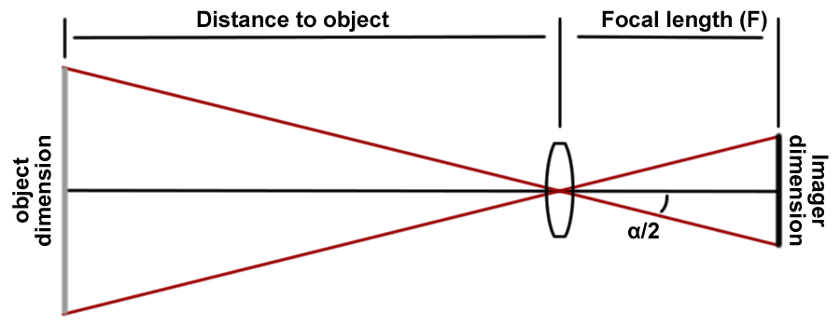
Lens Calculator

Width and height of object image based on lens angle of view
5 | <== Angle of view telephoto (degrees - width)
56 | <== Angle of view wide (degrees - width)
12 | <== Distance from camera to object (units entered will be units result - meters, inches, feet)
16 | <== Aspect ratio width
9 | <== Aspect ratio height
1.0 | <== Width of image of the object telephoto
0.6 | <== Height of image of the object telephoto
12.8 | <== Width of image of the object wide
7.2 | <== Height of image of the object wide

Object height and width based on imager size - much more difficult
Input three dimensions to find the fourth
1650 | <== Known object dimension |  |  | 0 | <== Feet | Type | Aspect Ratio | Width | Height | Diagonal | Area | Relative Area
9144 | <== Known object distance |  |  | 0.5 | <== Inches |  |  | mm | mm | mm | mm2
6.4 | <== Known imager dimension |  |  | 12.7 | <== Millimeters | 1/6" | 4:3 | 2.3 | 1.73 | 2.878 | 3.979 | 1
35 | <== Known focal length |  |  |  |  | 1/4" | 4:3 | 3.2 | 2.4 | 4 | 7.68 | 1.93
1672.0 | <== Object dimension |  |  | 5.49 | <== Object dimension in feet | 1/3.6" | 4:3 | 4 | 3 | 5 | 12 | 3.016
9023.4 | <== Object distance |  |  | 29.60 | <== Object distance in feet | 1/3.2" | 4:3 | 4.536 | 3.416 | 5.678 | 15.495 | 3.894
6.3 | <== Imager dimension |  |  |  |  | 1/3" | 4:3 | 4.8 | 3.6 | 6 | 17.28 | 4.343
35.5 | <== Focal length |  |  |  |  | 1/2.7" | 4:3 | 5.27 | 3.96 | 6.592 | 20.869 | 5.245
 |  |  |  |  |  | 1/2" | 4:3 | 6.4 | 4.8 | 8 | 30.72 | 7.721
 |  |  |  |  |  | 1/1.8" | 4:3 | 7.176 | 5.319 | 8.932 | 38.169 | 9.593
Find the Dimension of the Imager |  |  |  |  |  | 2/3" | 4:3 | 8.8 | 6.6 | 11 | 58.08 | 14.597
4 | <== Aspect width |  |  |  |  | 1" | 4:3 | 12.8 | 9.6 | 16 | 122.88 | 30.882
3 | <== Aspect height |  |  |  |  | 4/3" | 4:3 | 18 | 13.5 | 22.5 | 243 | 61.07
5.0 | <== Aspect diagonal - calculated
11.7 | <== Known width in millimeters
6.23 | <== Known height in millimeters
12.7 | <== Known diagonal millimeters
70 | <== Known width angle
43 | <== Known height angle
77.5 | <== Known diagonal angle

11.70 | 8.31 | 10.16 | <== Imager width
8.77 | 6.23 | 7.62 | <== Imager height
14.63 | 10.38 | 12.70 | <== Imager diagonal
Note the dimension of the pickup is larger than the imaging area

Width | Height | Diagonal
70.00 | 55.41 | 82.39 | <== Known width result
55.42 | 43.00 | 66.57 | <== Known height results
65.41 | 51.43 | 77.50 | <== Known diagonal results

Pads
Audio Pad

1000 | <== Input impedance
10000 | <== Output impedance
3 | <== Required loss (in +dB)
 |  | T-Pad
 | T-Pad (unbalanced)
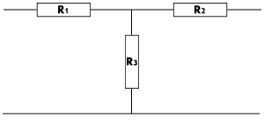
1710.0 | <== Series Resistor (R1)
171.0 | <== Series Resistor (R2)
28385.2 | <== Parallel resistor (R3)

 | H-Pad (balanced)
855.0 | <== Series Resistors (R1 and R4)
85.5 | <== Series Resistors (R2 and R5)
28385.2 | <== Parallel resistor (R3)

1000 | <== Input impedance
10000 | <== Output impedance | H-Pad
3 | <== Voltage at present
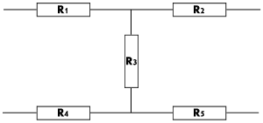
1 | <== Voltage desired
9.5 | <== Required loss (in +dB)

 | T-Pad (unbalanced)
5000.0 | <== Series Resistor (R1)
500.0 | <== Series Resistor (R2)
7500.0 | <== Parallel resistor (R3)

 | H-Pad (balanced)
2500.0 | <== Series Resistors (R1 and R4)
250.0 | <== Series Resistors (R2 and R5)
7500.0 | <== Parallel resistor (R3)

